EIA Table 1
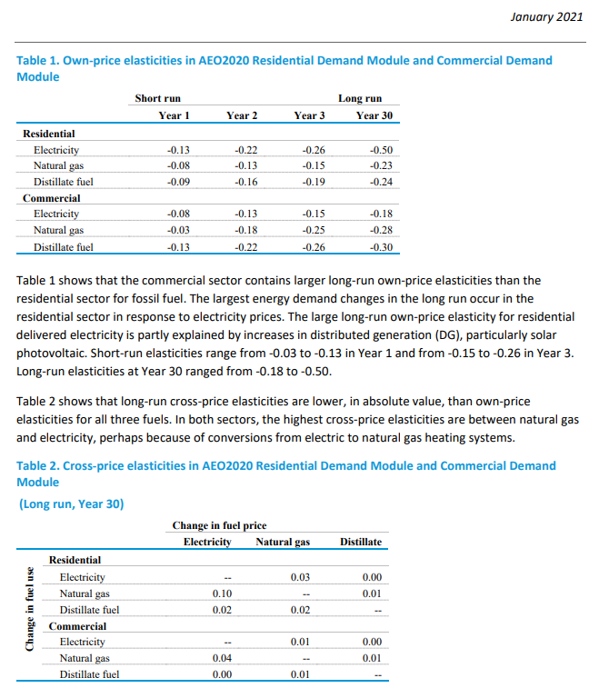
This is a subset of Table 1 that includes only values from AEO2020 (not AEO99).
It includes only the "Residential" and "Commercial" sections.

Residential
 | Short-Run Own-Price Elasticity |  |  | Long-Run Own-Price and Cross-Price Elasticity
Fuel | 1-year | 2-year | 3-year | Electricity | Natural Gas | Distillate Fuel
Electricity | -0.13 | -0.22 | -0.26 | -0.5 | 0.03 | 0
Natural Gas | -0.08 | -0.13 | -0.15 | 0.1 | -0.23 | 0.01
Distillate Fuel | -0.09 | -0.16 | -0.19 | 0.02 | 0.02 | -0.24

Commercial
 | Short-Run Own-Price Elasticity |  |  | Long-Run Own-Price and Cross-Price Elasticity
Fuel | 1-year | 2-year | 3-year | Electricity | Natural Gas | Distillate Fuel
Electricity | -0.08 | -0.13 | -0.15 | -0.18 | 0.01 | 0
Natural Gas | -0.03 | -0.18 | -0.25 | 0.04 | -0.28 | 0.01
Distillate Fuel | -0.13 | -0.22 | -0.26 | 0 | 0.01 | -0.3

**Note from April 2023 - there has not been an updated version of this report. This is the most recent own-price elasticity data

